Analysis
 | TOP 10 CAR MODELS |  | States
Average of Mileage | Row Labels | Count of Column1 | Row Labels | Count of Column1 | States | Amount of Cars
28.4K | Acura | 56 | Akwa Ibom | 50 | Akwa Ibom | 50
 | Ford | 135 | Anambra | 22 | Anambra | 22
 | Honda | 310 | Delta | 28 | Delta | 28
Average of amount | Hyundai | 97 | Edo | 59 | Edo | 59
₦5.0M | Kia | 57 | Federal Capital Territory | 654 | Federal Capital Territory | 654
 | Lexus | 289 | Imo | 30 | Imo | 30
 | Mercedes-Benz | 261 | Kaduna | 57 | Kaduna | 57
Average of engine_size | Nissan | 111 | Kwara | 72 | Kwara | 72
3.1K | Toyota | 1126 | Lagos | 1452 | Lagos | 1452
 | Volkswagen | 56 | Ogun | 61 | Ogun | 61
 | Grand Total | 2498 | Ondo | 55 | Ondo | 55
Average of horse_power |  |  | Oyo | 270 | Oyo | 270
217 |  |  | Rivers | 84 | Rivers | 84
 | TOP 10 COLOURS |  | Grand Total | 2894
 | Row Labels | Count of Column1
 | Beige | 18
 | Black | 741 | Transmission
 | Blue | 323 | Row Labels | Count of Column1
 | Brown | 46 | Automatic | 2702
 | Gold | 149 | Manual | 171
 | Gray | 498 | Grand Total | 2873
 | Green | 100
 | Red | 205
 | Silver | 484
 | White | 279
 | Grand Total | 2843

 |  |  |  | Row Labels | Count of Column1
 |  |  |  |  | 1637
 |  |  |  | SUV | 925
 |  |  |  | Sedan | 146
 |  |  |  | Truck | 31
 |  |  |  | Hatchback | 28
 |  |  |  | Coupe | 21
 |  |  |  | Minivan | 20
 |  |  |  | Grand Total | 2808

Dashboard
Nigeria Car Market

Average Vehicle Metrics: Nigerian Car Market
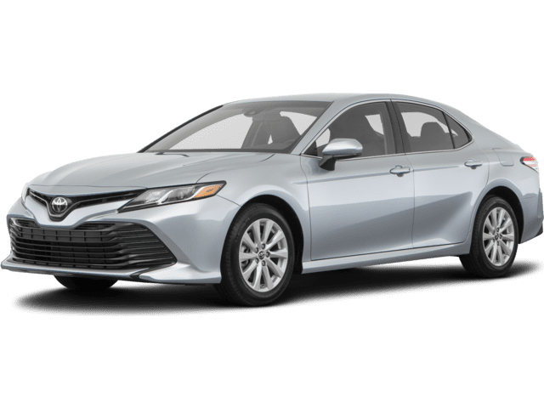
Location: Nigeria - Africa
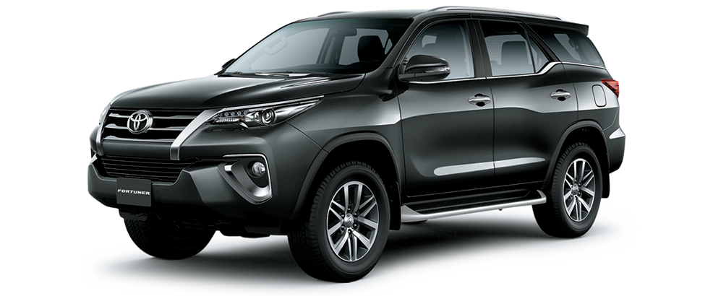
₦5.0M
28.4K
(km)
217
(hp)
3.1K
(cc)

Price
Mileage
Horse Power
Engine Size
Top 10 Most Popular Car Models in Nigeria
 | Total
Acura | 56
Ford | 135
Honda | 310
Hyundai | 97
Kia | 57
Lexus | 289
Mercedes-Benz | 261
Nissan | 111
Toyota | 1126
Volkswagen | 56

 | Total
Beige | 18
Black | 741
Blue | 323
Brown | 46
Gold | 149
Gray | 498
Green | 100
Red | 205
Silver | 484
White | 279
Which Colour Wins? Top 10 Picks for Nigerian Cars
Naija Drivers' Choice: Automatic or Manual?
 | Total
Automatic | 2702
Manual | 171

Insights on Pricing, Mileage, and Performance: Sourced from Car45.com

Dashboard (2)
Nigeria Car Market Dashboard: Insights from FreedomOboh

Average Vehicle Metrics: Nigerian Car Market
Location: Nigeria - Africa
₦5.0M
28.4K
(km)
217
(hp)
3.1K
(cc)
Toyota leads the Nigerian car market with a significant margin, while automatic cars dominate with 94% preference. Lagos and Abuja remain the primary hotspots for car sales.
Price
Mileage
Horse Power
Engine Size
Top 10 Most Popular Car Models in Nigeria
 | Total
Acura | 56
Ford | 135
Honda | 310
Hyundai | 97
Kia | 57
Lexus | 289
Mercedes-Benz | 261
Nissan | 111
Toyota | 1126
Volkswagen | 56

 | Total
Beige | 18
Black | 741
Blue | 323
Brown | 46
Gold | 149
Gray | 498
Green | 100
Red | 205
Silver | 484
White | 279
Which Colour Wins? Top 10 Picks for Nigerian Cars
Naija Drivers' Choice: Automatic or Manual?
 | Total
Automatic | 2702
Manual | 171

Insights on Pricing, Mileage, and Performance: Sourced from Car45.com

write am a

